Sheet1
CPI 1 | Description |  | Case
If | TOW service arrived & More than 4 responded units arrived | Then | >30 |  | CPI-1 Lane-1 | 60% | 10-30 | 495// mean=22, median=18, SD=18, x=[4, 205], [-30, 30)-> 80%(207/258)
 | Shoulder lane blocked & More than 4 responded units arrived |  |  |  |  | 70% | 5-30
 | Vehicle Jack-knifed OR Overturned & [Weekend OR Tow service arrived] |  |  |  |  | 80% | 5-35
 | More than 5 vehicles are involved & Peak hour |  |  |  | CPI-1 Lane-2 | 60% | 25-50 | 495// mean=38, median=37, SD=15, x=[6, 79], [-60, 60)-> 90%(43/48)
 | [AM OR Fireboard first arrived]& More than 1 Police arrived |  |  |  |  | 70% | 20-55
 | Fall & Fireboard first arrived |  |  |  |  | 80% | 20-60
 | Truck involved & Van involved |  |  |  | CPI-1 Lane-3 | 60% | 60-85 | 495// mean=68, median=72, SD=19, x=[24, 100], [-120, 120)-> 100%(23/23)
 | Else then |  | <30 | CPI-1 Lane-1 |  | 70% | 60-90
If | AUXILIARY LANE blocked & [More than 4 responded units arrived OR More than 1 CHART arrived] | Then | >60 |  |  | 80% | 50-100
 | Hazard Material OR More than 1 Tow service OR Bus involved |  |  |  | CPI-1 Lane-4 | 100% | >120 | 495// mean=183, median=183, SD=17, x=[171, 195], [120, 1200)-> 100%(2/2)
 | [More than 2 Police arrived OR Weekend OR Wet Pavement] & Pickup involved
 | Truck involved & Tow service arrived
 | Else then |  | <60 | CPI-1 Lane-2
If | More than 1 vehicle involved & More than 6 responded units arrived | Then | >120 | CPI-1 Lane-4
 | Else then |  | <120 | CPI-1 Lane-3

CPI 2 | Description |  | Case |  | CPI-2 Lane-1 | 60% | 10-30 | 495// mean=20, median=18, SD=10, x=[5, 56], [-30, 30)-> 87%(134/154)
If | TOW service arrived | Then | >30 |  |  | 70% | 5-30
 | [More than 3 responded units arrived OR Police first arrived OR Truck invovled]& More than 3 vehicles involved |  |  |  |  | 80% | 5-35
 | [Daytime OR More than 2 vehicles involved] & Vehicle Jack-knifed OR Overturned |  |  |  | CPI-2 Lane-2 | 60% | 20-50 | 495// mean=36, median=34, SD=17, x=[6, 105], [-60, 60)-> 93%(82/88)
 | [More than 1 vehicle involved] & Motorcycle involved |  |  |  |  | 70% | 15-55
 | [AUXILIARY LANE blocked & Pickup involved] OR [More than 6 responded units arrived] |  |  |  |  | 80% | 15-60
 | Else then |  | <30 | CPI-2 Lane-1 | CPI-2 Lane-3 | 60% | 35-105 | 495// mean=71, median=76, SD=32, x=[19, 123], [-120, 120)-> 95%(20/21)
If | More than 1 TOWs arrived & More than 3 vehicles involved | Then | >60 |  |  | 70% | 30-115
 | More than 6 response units arrived |  |  |  |  | 80% | 30-125
 | [AUXILIARY LANE blocked OR Wet Pavement] & More than 5 responded units arrived |  |  |  | CPI-2 Lane-4 | 100% | >120 | 495// mean=209, median=147, SD=136, x=[130, 413], [120, 1200)-> 100%(4/4)
 | [AUXILIARY LANE blocked OR Night] & Vehicle Jack-knifed OR Overturned
 | More than 1 Fireboard arrived OR Snow-ice Pavement
 | Else then |  | <60 | CPI-2 Lane-2
If | More than 7 responded units arrived OR More than 5 vehicles involved | Then | >120 | CPI-2 Lane-4
 | Else then |  | <120 | CPI-2 Lane-3

CPI 3 | Description |  | Case |  | CPI-3 Lane-1 | 60% | 5-25 | 495// mean=18, median=17, SD=11, x=[5, 66], [-30, 30)-> 94%(44/47)
If | [TOW service arrived] OR [Vehicle Jack-knifed OR Overturned OR Lost Load] | Then | >30 |  |  | 70% | 5-30
 | [More than 1 Police arrived] OR [More than 5 responded units arrived] |  |  |  |  | 80% | 5-35
 | More than 3 responded units arrived & AUXILIARY LANE blocked |  |  |  | CPI-3 Lane-2 | 60% | 20-50 | 495// mean=37, median=35, SD=17, x=[5, 100], [-60, 60)-> 93%(51/55)
 | Bus involved OR Chemical pavement OR More than 1 truck involved |  |  |  |  | 70% | 20-55
 | Pickup involved OR Truck involved]& Wet pavement |  |  |  |  | 80% | 15-60
 | Else then |  | <30 | CPI-3 Lane-1 | CPI-3 Lane-3 | 60% | 40-105 | 495// mean=69, median=74, SD=31, x=[9, 111], [-120, 120)-> 100%(15/15)
If | More than 8 response units arrived | Then | >60 |  |  | 70% | 40-115
 | [More than 5 responded units arrived OR Winter OR More than 1 Tow service arrived] & More than 2 vehicles involved |  |  |  |  | 80% | 30-115
 | Weekend & Fireboard first arrived |  |  |  | CPI-3 Lane-4 | 70% | >120 | 495// mean=148, median=132, SD=62, x=[66, 256], [120, 1200)-> 75%(9/12)
 | Holiday & Truck involved |  |  |  |  | 100% | >80
 | Else then |  | <60 | CPI-3 Lane-2
If | More than 9 response units arrived | Then | >120 | CPI-3 Lane-4
 | More than 1 CHART arrived & Weekend |  |  | CPI-3 Lane-4
 | Holiday |  |  | CPI-3 Lane-4
 | Else then |  | <120 | CPI-3 Lane-3

CPD 1 | Description |  | Case |  | CPD-1 Lane-1 | 60% | 5-25 | 495// mean=19, median=13, SD=20, x=[4, 258], [-30, 30)-> 85%(491/578)
If | TOW service arrived & Fireboard arrived | Then | >30 |  |  | 70% | 5-30
 | TOW service arrived & Police first arrived |  |  |  |  | 80% | 5-35
 | More than 2 CHART arrived & CHART first arrived |  |  |  | CPD-1 Lane-2 | 60% | 20-60 | 495// mean=41, median=38, SD=25, x=[9, 165], [-60, 60)-> 85%(78/92)
 | [Weekend OR Peakhour OR More than 2 Police arrived OR Truck involved OR Pickup involved] & More than 4 responded units arrived |  |  |  |  | 70% | 15-65
 | AUXILIARY LANE blocked & [Vehicle Overturned OR Holiday] |  |  |  |  | 80% | 10-70
 | [More than 2 vehicles involved OR Tow service arrived] & Pickup involved |  |  |  | CPD-1 Lane-3 | 60% | 60-105 | 495// mean=71, median=70, SD=24, x=[27, 115], [-120, 120)-> 100%(13/13)
 | Else then |  | <30 | CPD-1 Lane-1 |  | 70% | 60-110
If | [More than 4 responded units arrived OR Weekend OR Pickup involved] & Truck involved | Then | >60 |  |  | 80% | 55-115
 | Pickup involved & More than 2 vehicles involved |  |  |  | CPD-1 Lane-4 | 100% | >120 | 495// mean=149, median=137, SD=33, x=[122, 213], [120, 1200)-> 100%(6/6)
 | Daytime & Fireboard first arrived
 | Vehicle Jack-knifed
 | Else then |  | <60 | CPD-1 Lane-2
If | Truck involved & [More than 5 responded units arrived OR Auxiliary lane blocked] | Then | >120 | CPD-1 Lane-4
 | Else then |  | <120 | CPD-1 Lane-3

CPD 2 | Description |  | Case |  | CPD-2 Lane-1 | 60% | 5-25 | 495// mean=18, median=14, SD=14, x=[5, 87], [-30, 30)-> 88%(147/167)
If | Tow service arrived & Fireboard arrived | Then | >30 |  |  | 70% | 5-30
 | [Peakhour or More than 2 CHART arrived] & Truck involved |  |  |  |  | 80% | 5-35
 | [Night or More than 4 responded units arrived] & More than 1 Police involved |  |  |  | CPD-2 Lane-2 | 60% | 20-55 | 495// mean=39, median=37, SD=20, x=[5, 89], [-60, 60)-> 87%(48/55)
 | [Weekend or More than 1 vehicle involved] & Tow service involved |  |  |  |  | 70% | 20-60
 | More than 5 vehicle involved OR Pickup involved |  |  |  |  | 80% | 15-75
 | Else then |  | <30 | CPD-2 Lane-1 | CPD-2 Lane-3 | 60% | 60-85 | 495// mean=66, median=71, SD=22, x=[28, 97], [-120, 120)-> 100%(13/13)
If | More than 1 TOW services arrived | Then | >60 |  |  | 70% | 45-90
 | [Truck involved OR More than 2 vehicles involved] & Night |  |  |  |  | 80% | 45-100
 | More than 2 vehicles involved & Police first arrived |  |  |  | CPD-2 Lane-4 | 80% | >120 | 495// mean=178, median=165, SD=75, x=[76, 296], [120, 1200)-> 86%(6/7)
 | Else then |  | <60 | CPD-2 Lane-2 |  | 100% | >100
If | More than 7 response units arrived | Then | >120 | CPD-2 Lane-4
 | More than 1 Tow service arrived |  |  | CPD-2 Lane-4
 | Else then |  | <120 | CPD-2 Lane-3

CPD 3 | Description |  | Case |  | CPD-3 Lane-1 | 60% | 5-25 | 495// mean=17, median=13, SD=11, x=[5, 54], [-30, 30)-> 88%(50/57)
If | Tow service arrived | Then | >30 |  |  | 70% | 5-30
 | More than 4 responded units arrived &[ Fireboard first arrived OR Pickup involved OR Wet pavement] |  |  |  |  | 80% | 5-30
 | Vehicle Jack-knifed OR Overturned |  |  |  | CPD-3 Lane-2 | 60% | 20-50 | 495// mean=39, median=35, SD=28, x=[5, 138], [-60, 60)-> 95%(18/19)
 | Else then |  | <30 | CPD-3 Lane-1 |  | 70% | 20-55
If | More than 1 Tow service arrived OR Hazard Material | Then | >60 |  |  | 80% | 20-60
 | [Peakhour OR More than 5 responded units arrived] & More than 1 vehicle involved |  |  |  | CPD-3 Lane-3 | 60% | 60-95 | 495// mean=78, median=73, SD=23, x=[52, 120], [-120, 120)-> 100%(7/7)
 | Else then |  | <60 | CPD-3 Lane-2 |  | 70% | 55-105
If | More than 6 RESPONSE UNITS arrived | Then | >120 | CPD-3 Lane-4 |  | 80% | 55-120
 | Night & Truck involved |  |  | CPD-3 Lane-4 | CPD-3 Lane-4 | 90% | >120 | 495// mean=153, median=156, SD=42, x=[94, 211], [120, 1200)-> 80%(4/5)
 | Else then |  | <120 | CPD-3 Lane-3 |  | 100% | >110

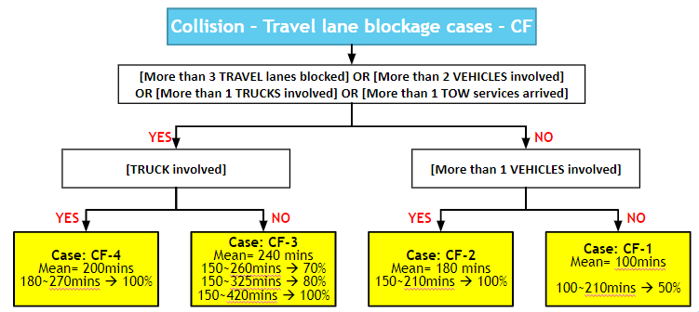
CF

Subset
# of blocked lanes= 1
Mean= 29 mins
10~40mins 60%
10~50mins 70%
5~60mins 80%

Collision with Fatality (CF)
Mean= 300 mins
210~395mins 60%
200~420mins 70%
200~440mins 80%
# of blocked lanes= 2
Mean= 32 mins
10~40mins 60%
10~45mins 70%
5~55mins 80%

Travel lane blockage
Mean= 30 mins
5~40mins 60%
5~50mins 70%
5~65mins 80%
# of blocked lanes= 3+
Mean= 44 mins
15~65mins 60%
10~75mins 70%
5~95mins 80%
Collision with Personal Injury (CPI)
Mean= 33 mins 10~45mins 60%
10~55mins 70%
5~70mins 80%
Incident – Collision
Mean= 29 mins 5~40mins 60%
5~50mins 70%
5~85mins 80%

# of blocked lanes= 1
Mean= 24 mins
5~35mins 60%
5~40mins 70%
5~50mins 80%

Collision with Property Damage (CPD)
Mean= 26 mins 5~40mins 60%
5~45mins 70%
5~55mins 80%

Shoulder only blockage
Mean= 22 mins
0~35mins 60%
0~40mins 70%
0~50mins 80%
# of blocked lanes= 2
Mean= 30 mins
5~40mins 60%
5~50mins 70%
5~70mins 80%

# of blocked lanes= 3+
Mean= 34 mins
5~45mins 60%
5~55mins 70%
5~75mins 80%

CPI-1
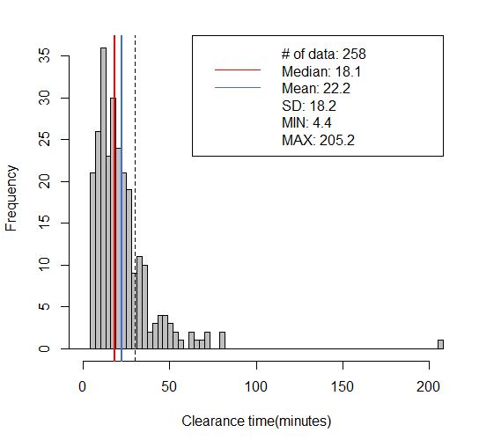
CPI-1 Lane-1
60% | 10-30
70% | 5-30
80% | 5-35
495// mean=22, median=18, SD=18, x=[4, 205], [-30, 30)-> 80%(207/258)
> round(quantile(mytree$CT, c(0.05, 0.10, 0.15, 0.20, 0.80, 0.85, 0.90, 0.95)), digits=1)
5% 10% 15% 20% 80% 85% 90% 95%
6.1 7.9 9.2 10.6 29.7 33.8 39.2 51.0

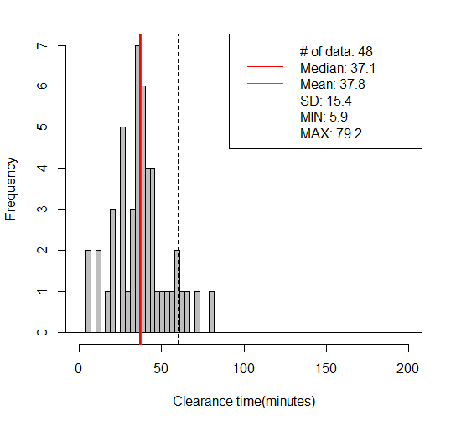
CPI-1 Lane-2
60% | 25-50
70% | 20-55
80% | 20-60
495// mean=38, median=37, SD=15, x=[6, 79], [-60, 60)-> 90%(43/48)
> round(quantile(mytree$CT, c(0.05, 0.10, 0.15, 0.20, 0.80, 0.85, 0.90, 0.95)), digits=1)
5% 10% 15% 20% 80% 85% 90% 95%
12.9 20.5 22.1 26.1 47.1 52.1 58.7 63.3

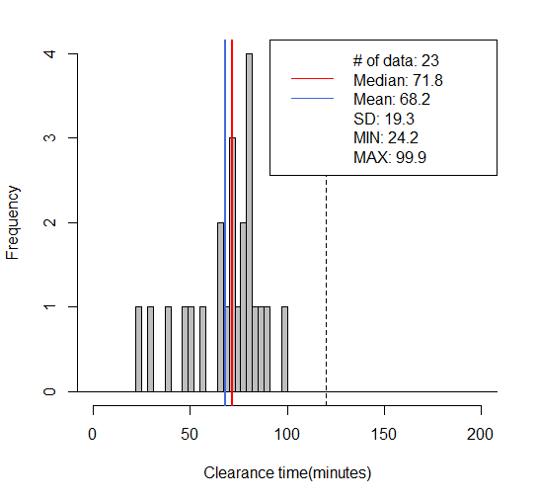
CPI-1 Lane-3
60% | 60-85
70% | 60-90
80% | 50-100
495// mean=68, median=72, SD=19, x=[24, 100], [-120, 120)-> 100%(23/23)
> round(quantile(mytree$CT, c(.1, .15, .20, .25, .85 ,.90,.95,1)), digits=1)
10% 15% 20% 25% 85% 90% 95% 100%
39.4 47.2 52.3 60.3 83.3 85.3 89.5 99.9

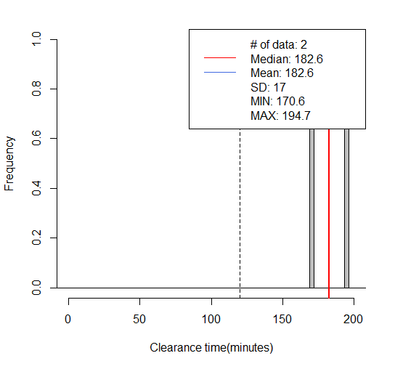
CPI-1 Lane-4

100% | >120

495// mean=183, median=183, SD=17, x=[171, 195], [120, 1200)-> 100%(2/2)
> round(quantile(mytree$CT, c(.1, .15, .20, .25, .85 ,.90,.95,1)), digits=1)
10% 15% 20% 25% 85% 90% 95% 100%
173.0 174.2 175.4 176.6 191.1 192.3 193.5 194.7

CPI-2
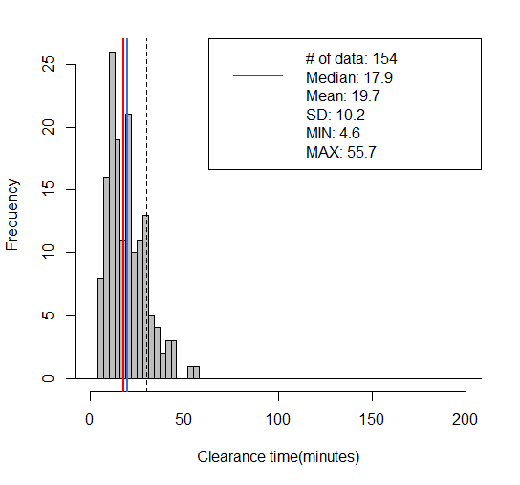
CPI-2 Lane-1
60% | 10-30
70% | 5-30
80% | 5-35
495// mean=20, median=18, SD=10, x=[5, 56], [-30, 30)-> 87%(134/154)
> round(quantile(mytree$CT, c(0.05, 0.10, 0.15, 0.20, 0.80, 0.85, 0.90, 0.95)), digits=1)
5% 10% 15% 20% 80% 85% 90% 95%
6.9 8.4 9.8 11.2 28.3 29.7 33.1 39.2

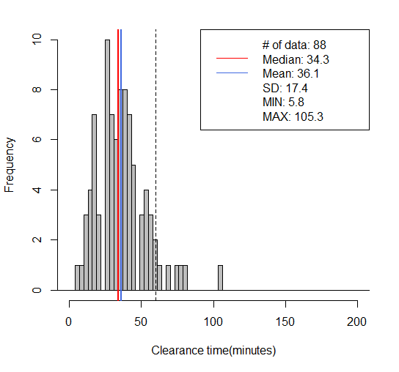
CPI-2 Lane-2
60% | 20-50
70% | 15-55
80% | 15-60
495// mean=36, median=34, SD=17, x=[6, 105], [-60, 60)-> 93%(82/88)
> round(quantile(mytree$CT, c(0.05, 0.10, 0.15, 0.20, 0.80, 0.85, 0.90, 0.95)), digits=1)
5% 10% 15% 20% 80% 85% 90% 95%
13.1 16.1 18.0 21.3 48.1 52.9 56.8 66.8
> round(quantile(mytree$CT, c(0.07, 0.12, 0.17, 0.22, 0.82, 0.87, 0.92, 0.97)), digits=1)
7% 12% 17% 22% 82% 87% 92% 97%
13.9 16.5 18.8 25.4 50.6 53.8 58.7 75.6
> round(quantile(mytree$CT, c(0.06, 0.11, 0.16, 0.21, 0.81, 0.86, 0.91, 0.96)), digits=1)
6% 11% 16% 21% 81% 86% 91% 96%
13.7 16.3 18.2 22.4 50.0 53.4 57.2 71.8

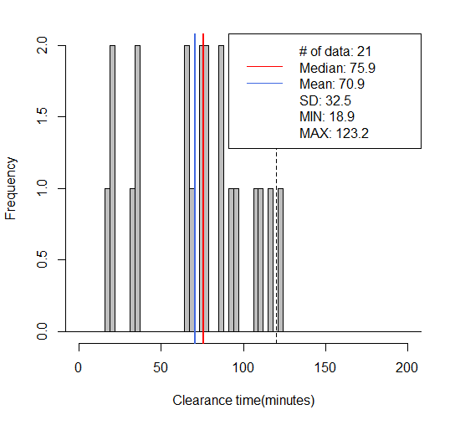
CPI-2 Lane-3
60% | 35-105
70% | 30-115
80% | 30-125
495// mean=71, median=76, SD=32, x=[19, 123], [-120, 120)-> 95%(20/21)
> round(quantile(mytree$CT, c(.1, .15, .20, .25, .85 ,.90,.95,1)), digits=1)
10% 15% 20% 25% 85% 90% 95% 100%
21.0 33.7 34.6 36.2 106.5 110.2 116.3 123.2

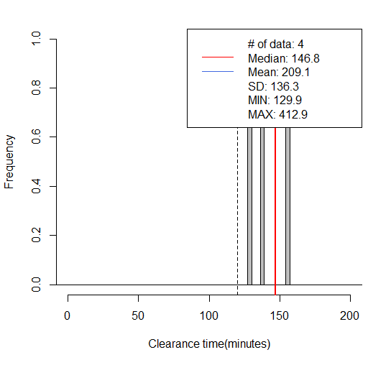
CPI-2 Lane-4
100% | >120
495// mean=209, median=147, SD=136, x=[130, 413], [120, 1200)-> 100%(4/4)
> round(quantile(mytree$CT, c(.1, .15, .20, .25, .85 ,.90,.95,1)), digits=1)
10% 15% 20% 25% 85% 90% 95% 100%
132.1 133.2 134.4 135.5 297.4 335.9 374.4 412.9

CPI-3
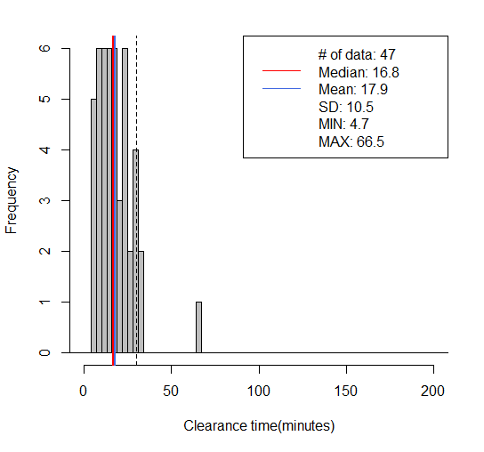
CPI-3 Lane-1
60% | 5-25
70% | 5-30
80% | 5-35
495// mean=18, median=17, SD=11, x=[5, 66], [-30, 30)-> 94%(44/47)
> round(quantile(mytree$CT, c(0.05, 0.10, 0.15, 0.20, 0.80, 0.85, 0.90, 0.95)), digits=1)
5% 10% 15% 20% 80% 85% 90% 95%
5.7 7.1 8.0 9.4 24.3 25.9 28.6 30.7

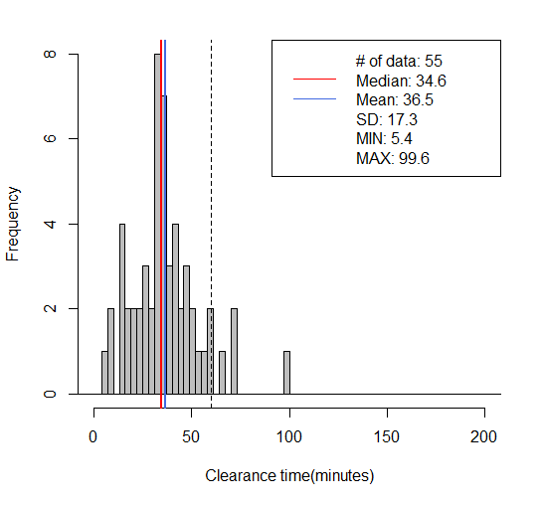
CPI-3 Lane-2
60% | 20-50
70% | 20-55
80% | 15-60
495// mean=37, median=35, SD=17, x=[5, 100], [-60, 60)-> 93%(51/55)
> round(quantile(mytree$CT, c(0.05, 0.10, 0.15, 0.20, 0.80, 0.85, 0.90, 0.95)), digits=1)
5% 10% 15% 20% 80% 85% 90% 95%
12.6 15.8 18.6 22.1 47.4 49.5 57.9 66.8
> round(quantile(mytree$CT, c(0.07, 0.12, 0.17, 0.22, 0.82, 0.87, 0.92, 0.97)), digits=1)
7% 12% 17% 22% 82% 87% 92% 97%
14.2 16.8 19.6 24.6 48.7 53.9 59.4 70.8

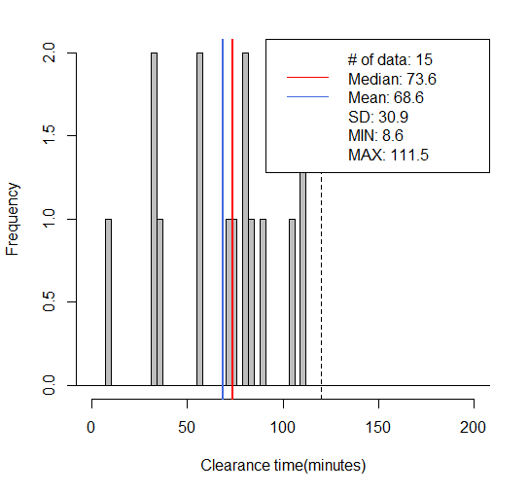
CPI-3 Lane-3
60% | 40-105
70% | 40-115
80% | 30-115
495// mean=69, median=74, SD=31, x=[9, 111], [-120, 120)-> 100%(15/15)
> round(quantile(mytree$CT, c(.1, .15, .20, .25, .85 ,.90,.95,1)), digits=1)
10% 15% 20% 25% 85% 90% 95% 100%
33.7 33.9 34.4 44.9 103.1 108.1 110.7 111.5

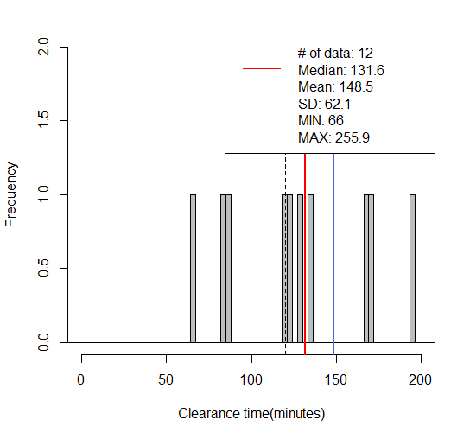
CPI-3 Lane-4
70% | >120
100% | >80
495// mean=148, median=132, SD=62, x=[66, 256], [120, 1200)-> 75%(9/12)
> round(quantile(mytree$CT, c(.1, .15, .20, .25, .85 ,.90,.95,1)), digits=1)
10% 15% 20% 25% 85% 90% 95% 100%
83.0 85.1 93.3 111.9 215.1 247.4 254.4 255.9

CPD-1
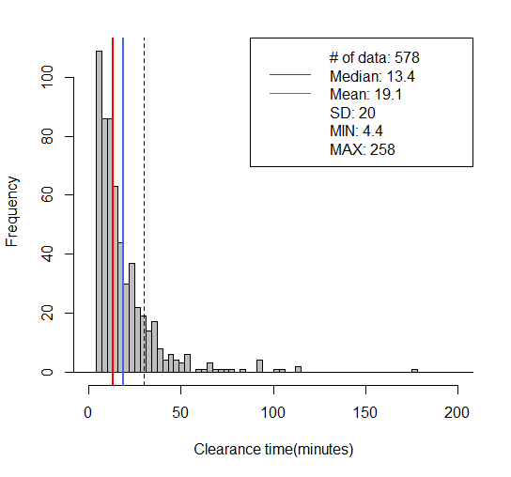
CPD-1 Lane-1
60% | 5-25
70% | 5-30
80% | 5-35
495// mean=19, median=13, SD=20, x=[4, 258], [-30, 30)-> 85%(491/578)
> round(quantile(mytree$CT, c(0.05, 0.10, 0.15, 0.20, 0.80, 0.85, 0.90, 0.95)), digits=1)
5% 10% 15% 20% 80% 85% 90% 95%
5.1 5.6 6.4 7.2 25.6 30.0 35.4 48.0
> round(quantile(mytree$CT, c(0.03, 0.08, 0.13, 0.18, 0.78, 0.83, 0.88, 0.93)), digits=1)
3% 8% 13% 18% 78% 83% 88% 93%
4.9 5.5 6.0 6.9 24.6 28.9 33.6 41.9

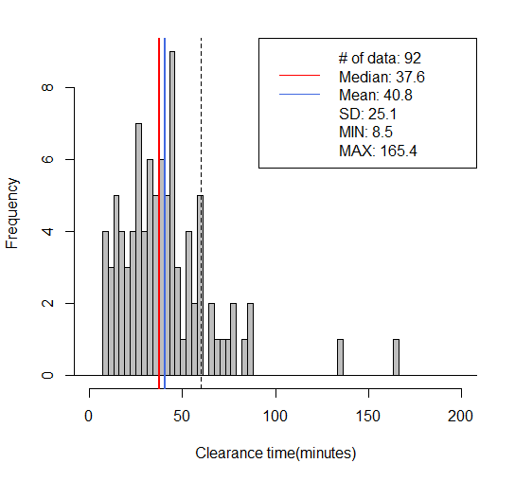
CPD-1 Lane-2
60% | 20-60
70% | 15-65
80% | 15-75
495// mean=41, median=38, SD=25, x=[9, 165], [-60, 60)-> 85%(78/92)
> round(quantile(mytree$CT, c(0.05, 0.10, 0.15, 0.20, 0.80, 0.85, 0.90, 0.95)), digits=1)
5% 10% 15% 20% 80% 85% 90% 95%
10.3 14.4 17.2 22.1 56.4 59.8 67.5 79.5
> round(quantile(mytree$CT, c(.1, .15, .20, .25, .85 ,.90,.95,1)), digits=1)
10% 15% 20% 25% 85% 90% 95% 100%
14.4 17.2 22.1 25.1 59.8 67.5 79.5 165.4
> round(quantile(mytree$CT, c(0.07, 0.12, 0.17, 0.22, 0.82, 0.87, 0.92, 0.97)), digits=1)
7% 12% 17% 22% 82% 87% 92% 97%
12.8 15.2 19.0 24.1 57.9 61.5 74.3 85.7

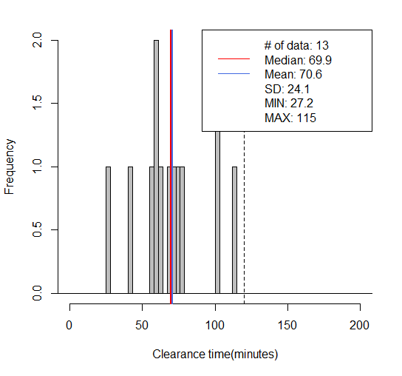
CPD-1 Lane-3
60% | 60-105
70% | 60-110
80% | 55-115
495// mean=71, median=70, SD=24, x=[27, 115], [-120, 120)-> 100%(13/13)
> round(quantile(mytree$CT, c(.1, .15, .20, .25, .85 ,.90,.95,1)), digits=1)
10% 15% 20% 25% 85% 90% 95% 100%
45.4 54.2 58.3 60.0 100.3 100.6 106.4 115.0

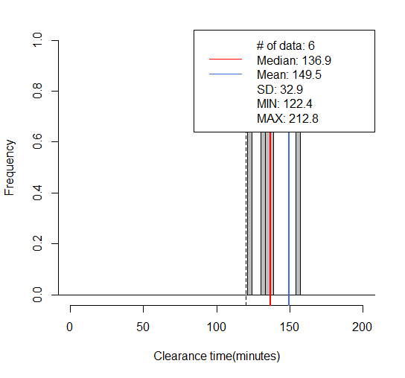
CPD-1 Lane-4
100% | >120
495// mean=149, median=137, SD=33, x=[122, 213], [120, 1200)-> 100%(6/6)
> round(quantile(mytree$CT, c(.1, .15, .20, .25, .85 ,.90,.95,1)), digits=1)
10% 15% 20% 25% 85% 90% 95% 100%
127.2 129.6 132.0 133.0 170.1 184.4 198.6 212.8

CPD-2
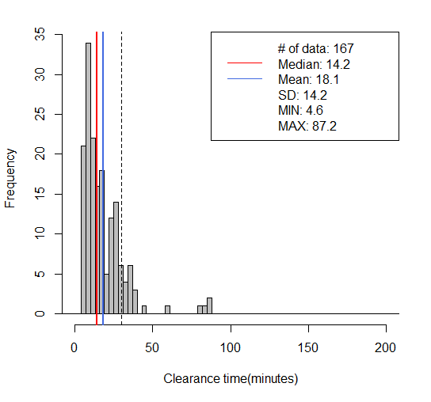
CPD-2 Lane-1
60% | 5-25
70% | 5-30
80% | 5-35
495// mean=18, median=14, SD=14, x=[5, 87], [-30, 30)-> 88%(147/167)
> round(quantile(mytree$CT, c(0.05, 0.10, 0.15, 0.20, 0.80, 0.85, 0.90, 0.95)), digits=1)
5% 10% 15% 20% 80% 85% 90% 95%
5.4 6.6 7.3 8.1 25.4 27.5 31.8 36.8
> round(quantile(mytree$CT, c(0.03, 0.08, 0.13, 0.18, 0.78, 0.83, 0.88, 0.93)), digits=1)
3% 8% 13% 18% 78% 83% 88% 93%
5.3 5.9 7.1 7.6 25.3 26.6 29.8 35.0
> round(quantile(mytree$CT, c(0.02, 0.07, 0.12, 0.17, 0.77, 0.82, 0.87, 0.92)), digits=1)
2% 7% 12% 17% 77% 82% 87% 92%
5.1 5.8 7.0 7.5 25.0 26.1 29.0 34.6

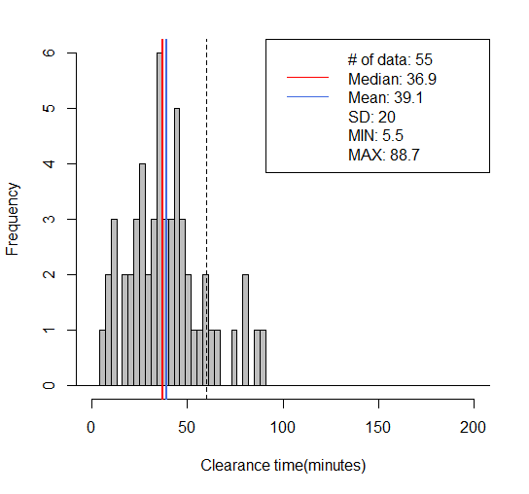
CPD-2 Lane-2
60% | 20-55
70% | 20-60
80% | 15-75
495// mean=39, median=37, SD=20, x=[5, 89], [-60, 60)-> 87%(48/55)
> round(quantile(mytree$CT, c(0.05, 0.10, 0.15, 0.20, 0.80, 0.85, 0.90, 0.95)), digits=1)
5% 10% 15% 20% 80% 85% 90% 95%
10.8 14.2 19.6 22.7 51.8 58.4 65.1 80.9
> round(quantile(mytree$CT, c(0.07, 0.12, 0.17, 0.22, 0.82, 0.87, 0.92, 0.97)), digits=1)
7% 12% 17% 22% 82% 87% 92% 97%
12.2 16.8 21.8 24.6 54.1 59.6 71.9 83.9
> round(quantile(mytree$CT, c(0.08, 0.13, 0.18, 0.23, 0.83, 0.88, 0.93, 0.98)), digits=1)
8% 13% 18% 23% 83% 88% 93% 98%
12.5 17.3 22.2 25.1 55.2 61.8 76.0 87.3

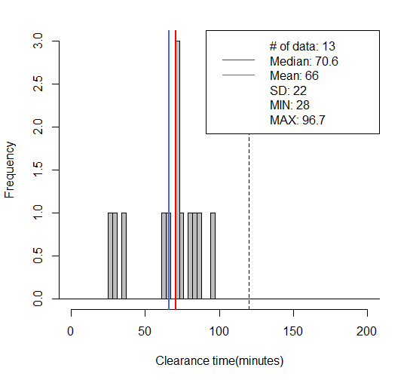
CPD-2 Lane-3
60% | 60-85
70% | 45-90
80% | 45-100
495// mean=66, median=71, SD=22, x=[28, 97], [-120, 120)-> 100%(13/13)
> round(quantile(mytree$CT, c(.1, .15, .20, .25, .85 ,.90,.95,1)), digits=1)
10% 15% 20% 25% 85% 90% 95% 100%
31.5 33.5 45.7 62.8 84.3 86.1 90.7 96.7

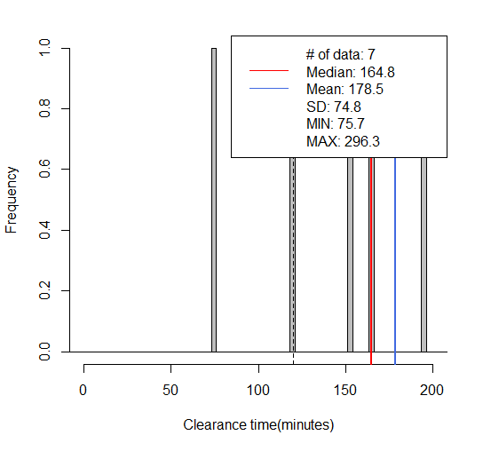
CPD-2 Lane-4
80% | >120
100% | >100
495// mean=178, median=165, SD=75, x=[76, 296], [120, 1200)-> 86%(6/7)
> round(quantile(mytree$CT, c(.1, .15, .20, .25, .85 ,.90,.95,1)), digits=1)
10% 15% 20% 25% 85% 90% 95% 100%
102.7 116.2 126.9 136.3 251.6 266.5 281.4 296.3

CPD-3
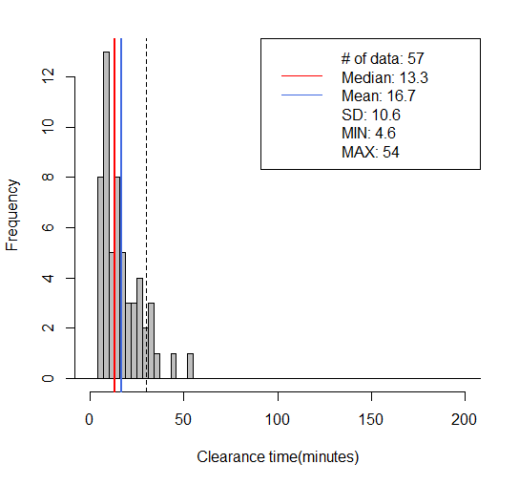
CPD-3 Lane-1
60% | 5-25
70% | 5-30
80% | 5-30
495// mean=17, median=13, SD=11, x=[5, 54], [-30, 30)-> 88%(50/57)
> round(quantile(mytree$CT, c(0.05, 0.10, 0.15, 0.20, 0.80, 0.85, 0.90, 0.95)), digits=1)
5% 10% 15% 20% 80% 85% 90% 95%
5.8 6.7 7.3 8.0 25.7 27.6 31.2 34.2
> round(quantile(mytree$CT, c(0.03, 0.08, 0.13, 0.18, 0.78, 0.83, 0.88, 0.93)), digits=1)
3% 8% 13% 18% 78% 83% 88% 93%
5.0 6.4 7.0 7.8 24.6 27.3 30.1 33.9

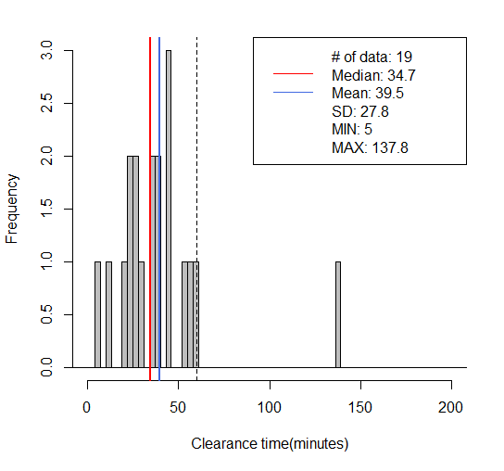
CPD-3 Lane-2
60% | 20-50
70% | 20-55
80% | 20-60
495// mean=39, median=35, SD=28, x=[5, 138], [-60, 60)-> 95%(18/19)
> round(quantile(mytree$CT, c(0.05, 0.10, 0.15, 0.20, 0.80, 0.85, 0.90, 0.95)), digits=1)
5% 10% 15% 20% 80% 85% 90% 95%
9.8 19.1 21.9 23.8 48.3 53.5 57.1 66.4
> round(quantile(mytree$CT, c(0.07, 0.12, 0.17, 0.22, 0.82, 0.87, 0.92, 0.97)), digits=1)
7% 12% 17% 22% 82% 87% 92% 97%
13.2 21.5 22.3 24.8 50.6 55.2 57.7 95.0
> round(quantile(mytree$CT, c(0.06, 0.11, 0.16, 0.21, 0.81, 0.86, 0.91, 0.96)), digits=1)
6% 11% 16% 21% 81% 86% 91% 96%
11.2 21.1 22.1 24.3 49.5 54.3 57.4 80.7

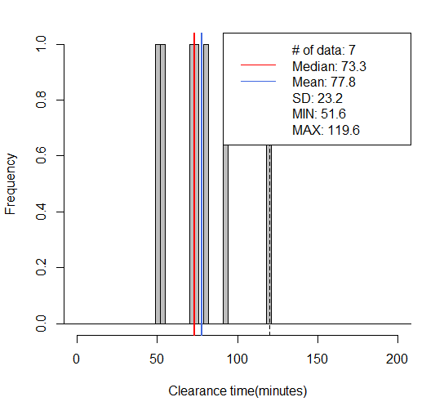
CPD-3 Lane-3
60% | 60-95
70% | 55-105
80% | 55-120
495// mean=78, median=73, SD=23, x=[52, 120], [-120, 120)-> 100%(7/7)
> round(quantile(mytree$CT, c(.1, .15, .20, .25, .85 ,.90,.95,1)), digits=1)
10% 15% 20% 25% 85% 90% 95% 100%
53.2 54.0 58.0 63.6 94.5 102.8 111.2 119.6

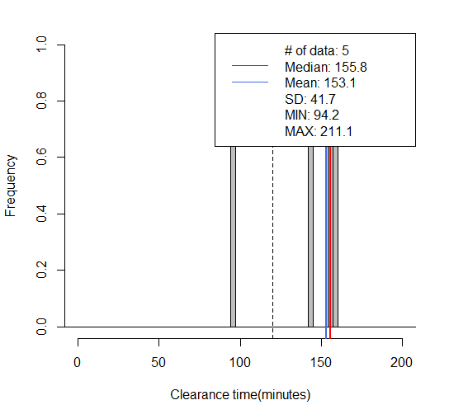
CPD-4 Lane-4
90% | >120
100% | >110
495// mean=153, median=156, SD=42, x=[94, 211], [120, 1200)-> 80%(4/5)
> round(quantile(mytree$CT, c(.1, .15, .20, .25, .85 ,.90,.95,1)), digits=1)
10% 15% 20% 25% 85% 90% 95% 100%
114.3 124.4 134.5 144.6 180.3 190.6 200.9 211.1

